Shortest Path
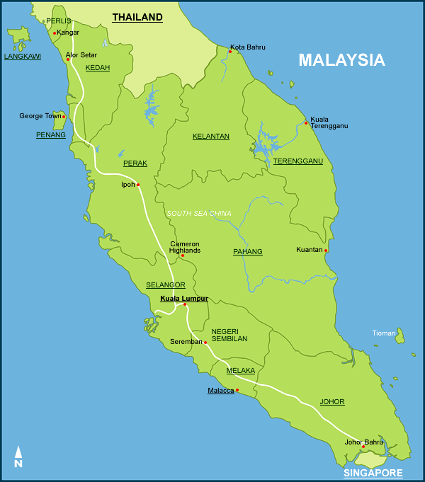
$80
$30
$25
$30
$45
$100
$60
$80
$40
$60
$80
$75
$55
$45
$75
$50
Apply Dijkstra's Algorithm to find the shortest path from JB to each of the other cities. |  |  | Iteration | Solution Set | Arcs | Total Cost
 |  |  | 1 | JB | JB - M | 30
SHORTEST PATH SOLUTION |  |  |  |  | JB - S | 50
From JB to | Shortest Path | Total Cost |  |  | JB - K | 80
M | JB -> M | 30
S | JB -> S | 50 | Iteration | Solution Set | Arcs | Total Cost
KL | JB -> M -> KL | 75 | 2 | JB | JB - S | 50
K | JB -> K | 80 |  | M (30) | JB - K | 80
KT | JB -> K -> KT | 120 |  |  | M - S | 30+25=55
IPOH | JB -> M -> KL -> IPOH | 135 |  |  | M - KL | 30+45=75
GT | JB -> M -> KL -> GT | 155
KB | JB -> K -> KB | 160 | Iteration | Solution Set | Arcs | Total Cost
AS | JB -> M -> KL -> IPOH -> AS | 190 | 3 | JB | JB - K | 80
 |  |  |  | M (30) | M - KL | 30+45=75
 |  |  |  | S (50) | S - KL | 50+30=80

$85
 |  |  | Iteration | Solution Set | Arcs | Total Cost
 |  |  | 4 | JB | JB - K | 80
 |  |  |  | M (30) | KL - GT | 75+80=155
 |  |  |  | S (50) | KL - IPOH | 75+60=135
 |  |  |  | KL (75)

 |  |  | Iteration | Solution Set | Arcs | Total Cost
 |  |  | 5 | JB | K - IPOH | 80+100=180
 |  |  |  | M (30) | K - KT | 80+40=120
 |  |  |  | S (50) | KL - GT | 75+80=155
 |  |  |  | KL (75) | KL - IPOH | 75+60=135
 |  |  |  | K (80) | K - KB | 80+80=160

 |  |  | Iteration | Solution Set | Arcs | Total Cost
 |  |  | 6 | JB | KL - GT | 75+80=155
 |  |  |  | M (30) | KL - IPOH | 75+60=135
 |  |  |  | S (50) | K - IPOH | 80+100=180
 |  |  |  | KL (75) | KT - KB | 120+60=180
 |  |  |  | K (80) | KT - AS | 120+75=195
 |  |  |  | KT (120) | K - KB | 80+80=160

 |  |  | Iteration | Solution Set | Arcs | Total Cost
 |  |  | 7 | JB | K - KB | 80+80=160
 |  |  |  | M (30) | IPOH - GT | 135+75=210
 |  |  |  | S (50) | IPOH - AS | 135+55=190
 |  |  |  | KL (75) | KL - GT | 75+80=155
 |  |  |  | K (80) | KT - KB | 120+60=180
 |  |  |  | KT (120) | KT - AS | 120+75=195
 |  |  |  | IPOH (135)

 |  |  | Iteration | Solution Set | Arcs | Total Cost
 |  |  | 8 | JB | GT - AS | 155+45=200
 |  |  |  | M (30) | IPOH - AS | 135+55=190
 |  |  |  | S (50) | KT - AS | 120+75=195
 |  |  |  | KL (75) | KT - KB | 120+60=180
 |  |  |  | K (80) | K - KB | 80+80=160
 |  |  |  | KT (120)
 |  |  |  | IPOH (135)
 |  |  |  | GT (155)

 |  |  | Iteration | Solution Set | Arcs | Total Cost
 |  |  | 9 | JB | GT - AS | 155+45=200
 |  |  |  | M (30) | IPOH - AS | 135+55=190
 |  |  |  | S (50) | KT - AS | 120+75=195
 |  |  |  | KL (75)
 |  |  |  | K (80)
 |  |  |  | KT (120)
 |  |  |  | IPOH (135)
 |  |  |  | GT (155)
 |  |  |  | KB (160)

 |  |  | Iteration | Solution Set | Arcs | Total Cost
 |  |  | 10 | JB
 |  |  |  | M (30)
 |  |  |  | S (50)
 |  |  |  | KL (75)
 |  |  |  | K (80)
 |  |  |  | KT (120)
 |  |  |  | IPOH (135)
 |  |  |  | GT (155)
 |  |  |  | KB (160)
 |  |  |  | AS (190)

Shortest Path (2024 ESE Q8)
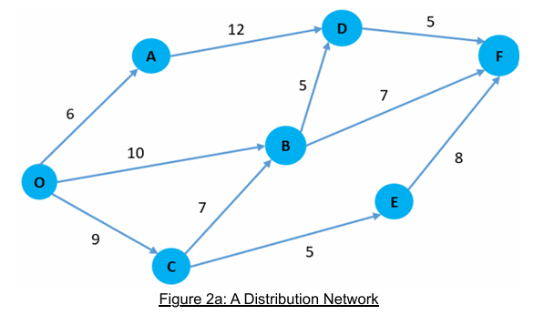
Iteration | Solution Set | Arcs | Total Cost
1 | O | O -> A | 6
 |  | O -> B | 10
 |  | O -> C | 7

Iteration | Solution Set | Arcs | Total Cost
2 | O | O -> B | 10
 | A (6) | O -> C | 9
 |  | A -> D | 18

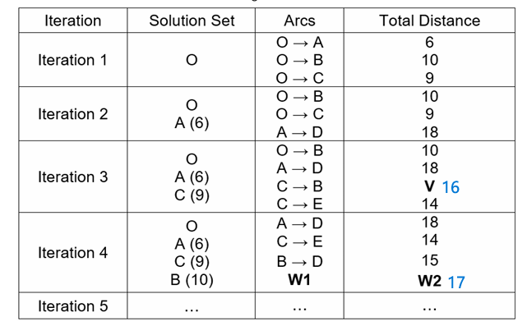
Iteration | Solution Set | Arcs | Total Cost
3 | O | A -> D | 18
 | A (6) | O -> B | 10
 | C (9) | C -> B | 16
 |  | C -> E | 14

Iteration | Solution Set | Arcs | Total Cost
4 | O | A -> D | 18
 | A (6) | B -> F | 17
 | C (9) | C -> E | 14
 | B (10)

Iteration | Solution Set | Arcs | Total Cost
5 | O | B -> D | 15
 | A (6) | B -> F | 17
 | C (9)
 | B (10)
 | E (14)

Iteration | Solution Set | Arcs | Total Cost
6 | O | D -> F | 20
 | A (6)
 | C (9)
 | B (10)
 | E (14)
 | D (15)

Iteration | Solution Set | Arcs | Total Cost
7 | O
 | A (6)
 | C (9)
 | B (10)
 | E (14)
 | D (15)
 | F (20)

Iteration | Solution Set | Arcs | Total Cost
8

Iteration | Solution Set | Arcs | Total Cost
9

Iteration | Solution Set | Arcs | Total Cost
10

Maximum Flow
80
80
30
40
50
50
60
55
40
40
30
55
70
60
45
60
Apply Ford Fulkerson's Algorithm to determine maximum flow from Johor Bahru to Alor Setar
Step 1
Change each directed arc in the original network into an undirected arc. Arc capacity in the original direction remains the same; arc capacity in the opposite direction is set to be zero

Add path 1
Route | Flow Quantity
JB - M - KL - GT - AS | 50

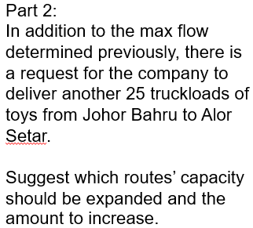
Add path 2
Route | Flow Quantity
JB - S - KL - I - AS | 40

Add path 3
Route | Flow Quantity
JB - K - KT - KB | 40

Add path 4
Route | Flow Quantity
JB - K - KB | 30

Add path 5
Route | Flow Quantity
JB - K - I - GT - AS | 10

Final Solution
Route | Flow Quantity
JB - M - KL - GT - AS | 50
JB - S - KL - I - AS | 40
JB - K - KT - KB | 40
JB - K - KB | 30
JB - K - I - GT - AS | 10
Total | 170

